Sensitivity Report SW2
Microsoft Excel 16.81 Sensitivity Report
Worksheet: [Lavazza - V4.xlsx]CW & SW2
Report Created: 2/9/24 4:03:33 PM

Variable Cells
 |  |  | Final | Reduced | Objective | Allowable | Allowable
 | Cell | Name | Value | Cost | Coefficient | Increase | Decrease
 | $I$11 | X71 Final Value | 1500 | 0 | 367 | 305.8 | 1E+30
 | $I$12 | X72 Final Value | 0 | 170.2 | 481 | 1E+30 | 170.2
 | $I$13 | X73 Final Value | 0 | 154.2 | 832 | 1E+30 | 154.2
 | $I$14 | X74 Final Value | 0 | 111.2 | 723 | 1E+30 | 111.2
 | $I$15 | X75 Final Value | 3000 | 0 | 478 | 182.8 | 1E+30
 | $I$16 | X76 Final Value | 2300 | 0 | 233 | 384.8 | 1E+30
 | $I$17 | X78 Final Value | 0 | 0 | 0 | 1E+30 | 0
 | $I$18 | X81 Final Value | 0 | 310.8 | 0 | 1E+30 | 310.8
 | $I$19 | X82 Final Value | 0 | 367 | 0 | 1E+30 | 367
 | $I$20 | X83 Final Value | 0 | 0 | 0 | 66 | 1E+30
 | $I$21 | X84 Final Value | 0 | 66 | 0 | 1E+30 | 66
 | $I$22 | X85 Final Value | 0 | 199.8 | 0 | 1E+30 | 199.8
 | $I$23 | X86 Final Value | 0 | 444.8 | 0 | 1E+30 | 444.8
 | $I$24 | X79 Final Value | 10800 | 0 | 295.8 | 111.2 | 182.8 | *Sensitivity results shows a certain threshhold for total cost for handling and LTL
 | $I$25 | X91 Final Value | 0 | 305.8 | 377 | 1E+30 | 305.8
Click here to see simulation for LTL cost
 | $I$26 | X92 Final Value | 2300 | 0 | 15 | 170.2 | 1E+30
Click here to see simulation for handling cost
 | $I$27 | X93 Final Value | 3000 | 0 | 382 | 154.2 | 66
 | $I$28 | X94 Final Value | 5500 | 0 | 316 | 66 | 1E+30
 | $I$29 | X95 Final Value | 0 | 182.8 | 365 | 1E+30 | 182.8
 | $I$30 | X96 Final Value | 0 | 384.8 | 322 | 1E+30 | 384.8
 | $I$31 | X710 Final Value | 0 | 0 | 0 | 1E+30 | 0
 | $I$32 | X101 Final Value | 0 | 310.8 | 0 | 1E+30 | 310.8
 | $I$33 | X102 Final Value | 0 | 367 | 0 | 1E+30 | 367
 | $I$34 | X103 Final Value | 0 | 0 | 0 | 66 | 1E+30
 | $I$35 | X104 Final Value | 0 | 66 | 0 | 1E+30 | 66
 | $I$36 | X105 Final Value | 0 | 199.8 | 0 | 1E+30 | 199.8
 | $I$37 | X106 Final Value | 0 | 444.8 | 0 | 1E+30 | 444.8
 | $I$38 | X711 Final Value | 0 | 0 | 0 | 1E+30 | 0
 | $I$39 | X111 Final Value | 0 | 310.8 | 0 | 1E+30 | 310.8
 | $I$40 | X112 Final Value | 0 | 367 | 0 | 1E+30 | 367
 | $I$41 | X113 Final Value | 0 | 0 | 0 | 66 | 1E+30
 | $I$42 | X114 Final Value | 0 | 66 | 0 | 1E+30 | 66
 | $I$43 | X115 Final Value | 0 | 199.8 | 0 | 1E+30 | 199.8
 | $I$44 | X116 Final Value | 0 | 444.8 | 0 | 1E+30 | 444.8
 | $I$45 | X712 Final Value | 0 | 0 | 0 | 1E+30 | 0
 | $I$46 | X121 Final Value | 0 | 310.8 | 0 | 1E+30 | 310.8
 | $I$47 | X122 Final Value | 0 | 367 | 0 | 1E+30 | 367
 | $I$48 | X123 Final Value | 0 | 0 | 0 | 66 | 1E+30
 | $I$49 | X124 Final Value | 0 | 66 | 0 | 1E+30 | 66
 | $I$50 | X125 Final Value | 0 | 199.8 | 0 | 1E+30 | 199.8
 | $I$51 | X126 Final Value | 0 | 444.8 | 0 | 1E+30 | 444.8
 | $I$52 | X713 Final Value | 0 | 0 | 0 | 0 | 1E+30
 | $I$53 | X131 Final Value | 0 | 310.8 | 0 | 1E+30 | 310.8
 | $I$54 | X132 Final Value | 0 | 367 | 0 | 1E+30 | 367
 | $I$55 | X133 Final Value | 0 | 0 | 0 | 66 | 1E+30
 | $I$56 | X134 Final Value | 0 | 66 | 0 | 1E+30 | 66
 | $I$57 | X135 Final Value | 0 | 199.8 | 0 | 1E+30 | 199.8
 | $I$58 | X136 Final Value | 0 | 444.8 | 0 | 1E+30 | 444.8

Constraints
 |  |  | Final | Shadow | Constraint | Allowable | Allowable
 | Cell | Name | Value | Price | R.H. Side | Increase | Decrease
 | $O$11 | CW Shipments | 0 | 0 | 0 | 1E+30 | 0
 | $O$12 | SW1 Shipments | 0 | -677.8 | 0 | 3000 | 0
 | $O$13 | SW2 Shipments | 0 | -295.8 | 0 | 10800 | 0
 | $O$14 | SW3 Shipments | 0 | -677.8 | 0 | 3000 | 0
 | $O$15 | SW4 Shipments | 0 | -677.8 | 0 | 3000 | 0
 | $O$16 | SW5 Shipments | 0 | -677.8 | 0 | 3000 | 0
 | $O$17 | SW6 Shipments | 0 | -677.8 | 0 | 3000 | 0
 | $O$18 | C1 Shipments | 1500 | 367 | 1500 | 0 | 1500
 | $O$19 | C2 Shipments | 2300 | 310.8 | 2300 | 0 | 2300
Click here to go to simulation
 | $O$20 | C3 Shipments | 3000 | 677.8 | 3000 | 0 | 3000 |  | Scenario Planning 1: Demand
 | $O$21 | C4 Shipments | 5500 | 611.8 | 5500 | 0 | 5500 |  | Shadow Price | Cost to ship from SW3 | Difference | Difference of Total Cost | Current units to add to demand
 | $O$22 | C5 Shipments | 3000 | 478 | 3000 | 0 | 3000 | *Satelite 4 has the next lowest cost | 611.8 | 461 | 151 | 24,660 | 164
 | $O$23 | C6 Shipments | 2300 | 233 | 2300 | 0 | 2300
 | $O$5 | Central Warehouse Constraint LHS | 1 | 0 | 1 | 0 | 1E+30
 | $O$6 | Total Sum of Satelite Binary Variables LHS | 1 | 0 | 1 | 1E+30 | 0

Demand Sensitivity for SW4
Type | Location - Customer | Variable | OF Coefficient | Final Value | Constraints |  |  |  | LHS |  | RHS

Binary - Choose or Not | Central Warehouse | CW7 |  | 1 | Constraints 1-2: Central Warehouse and Satelite Warehouse Allocations
Binary - Choose or Not | Satelite Warehouse 1 | SW8 |  | 0 | Central Warehouse Constraint |  |  |  | 1 | = | 1
Binary - Choose or Not | Satelite Warehouse 2 | SW9 |  | 0 | Total Sum of Satelite Binary Variables |  |  |  | 1 | <= | 1
Binary - Choose or Not | Satelite Warehouse 3 | SW10 |  | 0
Binary - Choose or Not | Satelite Warehouse 4 | SW11 |  | 1 | Supply and Demand Constraints
Binary - Choose or Not | Satelite Warehouse 5 | SW12 |  | 0 | Constraints 3 to 15 |  | Units Shipped |  | Net
Binary - Choose or Not | Satelite Warehouse 6 | SW13 |  | 0 |  | Location (Node) | In | Out | Shipments |  | Supply
Units to Deliver | CW7 to Customer 1 | X71 | 367 | 1500 | Total Supply is equal to total demand (Supply coming from CW) | CW | 17764 | 17764.00 | 0.00 | = | 0
Units to Deliver | CW7 to Customer 2 | X72 | 481 | 2300 | Total Supply of Satelite Warehouse 1 (from Central WH) | SW1 | 0 | 0 | 0 | = | 0
Units to Deliver | CW7 to Customer 3 | X73 | 832 | 3000 | Total Supply of Satelite Warehouse 2 (from Central WH) | SW2 | 0 | 0 | 0 | = | 0
Units to Deliver | CW7 to Customer 4 | X74 | 723 | 0 | Total Supply of Satelite Warehouse 3 (from Central WH) | SW3 | 0 | 0 | 0 | = | 0
Units to Deliver | CW7 to Customer 5 | X75 | 478 | 3000 | Total Supply of Satelite Warehouse 4 (from Central WH) | SW4 | 5664 | 5664 | 0 | = | 0
Units to Deliver | CW7 to Customer 6 | X76 | 233 | 2300 | Total Supply of Satelite Warehouse 5 (from Central WH) | SW5 | 0 | 0 | 0 | = | 0
Units to Deliver | CW7 to SW1 | X78 | 227 | 0 | Total Supply of Satelite Warehouse 6 (from Central WH) | SW6 | 0 | 0 | 0 | = | 0
Units to Deliver | SW1 to Customer 1 | X81 | 20 | 0 | Total Demand of Customer 1 | C1 | 1500 | 0 | 1500 | = | 1500
Units to Deliver | SW1 to Customer 2 | X82 | 382 | 0 | Total Demand of Customer 2 | C2 | 2300 | 0 | 2300 | = | 2300
Units to Deliver | SW1 to Customer 3 | X83 | 614 | 0 | Total Demand of Customer 3 | C3 | 3000 | 0 | 3000 | = | 3000
Units to Deliver | SW1 to Customer 4 | X84 | 683 | 0 | Total Demand of Customer 4 | C4 | 5664 | 0 | 5664 | = | 5664
Units to Deliver | SW1 to Customer 5 | X85 | 621 | 0 | Total Demand of Customer 5 | C5 | 3000 | 0 | 3000 | = | 3000
Units to Deliver | SW1 to Customer 6 | X86 | 411 | 0 | Total Demand of Customer 6 | C6 | 2300 | 0 | 2300 | = | 2300
Units to Deliver | CW7 to SW2 | X79 | 296 | 0
Units to Deliver | SW2 to Customer 1 | X91 | 377 | 0 | Minimize Total Cost | 8,733,804
Click here to go to simulation result for SW 2
Units to Deliver | SW2 to Customer 2 | X92 | 15 | 0
Units to Deliver | SW2 to Customer 3 | X93 | 382 | 0 | Objective Function Result When Same Demand Is applied to SW2 | 8,733,875
Units to Deliver | SW2 to Customer 4 | X94 | 316 | 0
Units to Deliver | SW2 to Customer 5 | X95 | 365 | 0 | Comparing the results of increasing the demand from Customer 4 by 164 units for both Satellite Warehouse 2 and 4 as indicated by the sensitivity analysis, it is seen that the model results start to show that the total cost of Satellite Warehouse 4 became lower than Satellite Warehouse 2 simulation. This proves that the moment our demand for customer 3 increases by this much, it would be much wiser to invest in SW4 than in SW2.
Units to Deliver | SW2 to Customer 6 | X96 | 322 | 0
Units to Deliver | CW7 to SW3 | X710 | 506 | 0
Units to Deliver | SW3 to Customer 1 | X101 | 609 | 0
Units to Deliver | SW3 to Customer 2 | X102 | 382 | 0
Units to Deliver | SW3 to Customer 3 | X103 | 15 | 0
Units to Deliver | SW3 to Customer 4 | X104 | 398 | 0
Units to Deliver | SW3 to Customer 5 | X105 | 678 | 0
Units to Deliver | SW3 to Customer 6 | X106 | 689 | 0
Units to Deliver | CW7 to SW4 | X711 | 441 | 5664
Units to Deliver | SW4 to Customer 1 | X111 | 683 | 0
Units to Deliver | SW4 to Customer 2 | X112 | 321 | 0
Units to Deliver | SW4 to Customer 3 | X113 | 403 | 0
Units to Deliver | SW4 to Customer 4 | X114 | 20 | 5664
Units to Deliver | SW4 to Customer 5 | X115 | 377 | 0
Units to Deliver | SW4 to Customer 6 | X116 | 520 | 0
Units to Deliver | CW7 to SW5 | X712 | 294 | 0
Units to Deliver | SW5 to Customer 1 | X121 | 623 | 0
Units to Deliver | SW5 to Customer 2 | X122 | 372 | 0
Units to Deliver | SW5 to Customer 3 | X123 | 685 | 0
Units to Deliver | SW5 to Customer 4 | X124 | 379 | 0
Units to Deliver | SW5 to Customer 5 | X125 | 22 | 0
Units to Deliver | SW5 to Customer 6 | X126 | 273 | 0
Units to Deliver | CW7 to SW6 | X713 | 147 | 0
Units to Deliver | SW6 to Customer 1 | X131 | 411 | 0
Units to Deliver | SW6 to Customer 2 | X132 | 327 | 0
Units to Deliver | SW5 to Customer 3 | X133 | 694 | 0
Units to Deliver | SW5 to Customer 4 | X134 | 520 | 0
Units to Deliver | SW5 to Customer 5 | X135 | 271 | 0
Units to Deliver | SW5 to Customer 6 | X136 | 20 | 0

Appendix
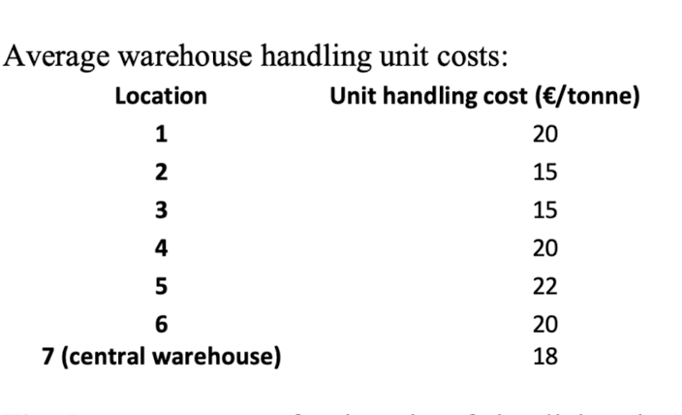
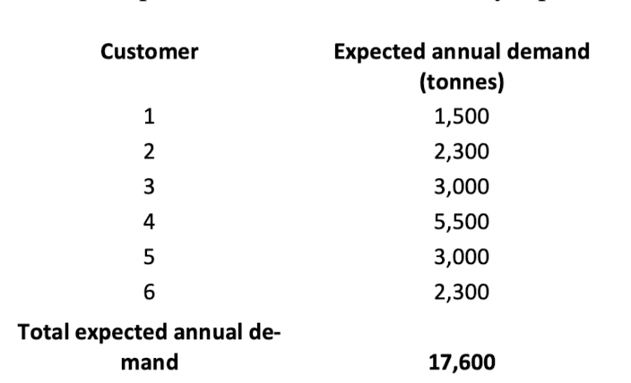

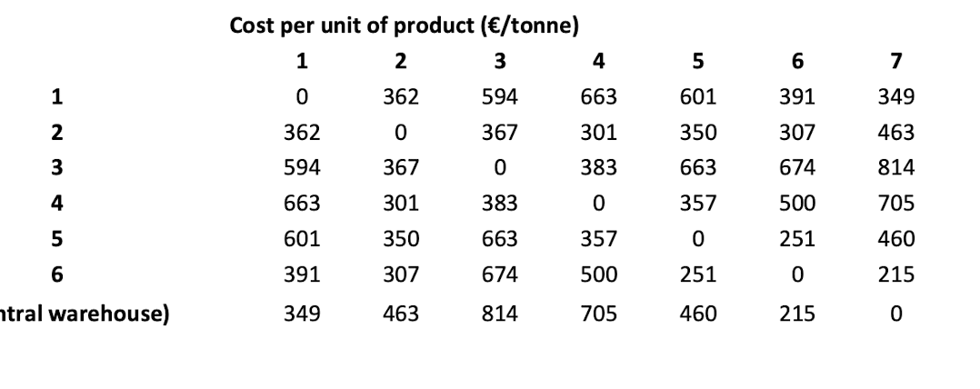

0

